BC-IE403BW-8MA
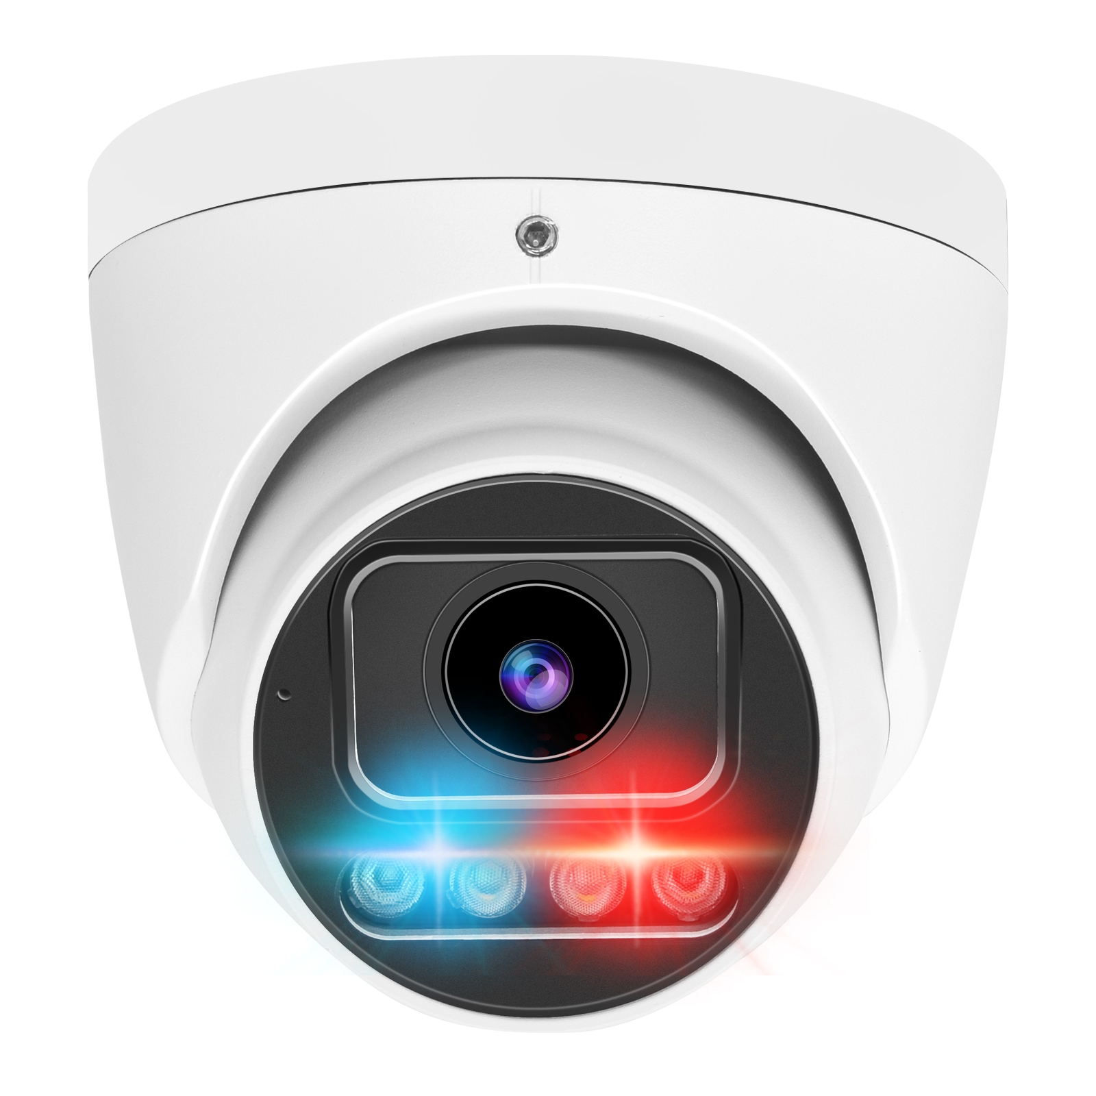
H.265 8MP IP/Network Super Starlight Full Color Red and blue alarm Turret Camera
BC-IE403BW-8MA
Version:202504

 | Mstar378DE+1/1.8'' Cmos

Features | • H.265/H.264 8MP IP/Network Full Color Super Starlight Red and blue alarm Turret Camera • Up to 8 megapixel high resolution • Max. 3840×2160@20fps(50Hz/60Hz) • Support RTSP&Onvif(17.2 with profile S) Compatible with many third-party NVRs and CMS • Support multiply Web Browsers: IE/Firefox/Chrome/Safari etc. • P2P Cloud service • Free PC Client Software and Smartphone APP(P2P) • Support Alarm Snapshot to Email and FTP • Day/Night, AWB/MWB,BLC, 3D-DNR,Shutter, IR-CUT, D-WDR,Mirror, Image Flip etc. Functions • 3.6mm F1.0 Fixed Lens • Water-proof: IP66
Configurable information | • 12V DC&PoE • Built in mic and Spk • SD Card Slot
Camera
Image Sensor: | 1/1.8'' CMOS sensor
Signal System: | PAL/NTSC
Min. Illumination: | Color: 0.01lux @(F1.0, AGC ON), 0 lux with IR or light
Shutter Time: | 1/25 s to 1/10,000 s
Lens: | 3.6mm F1.0 Fixed Lens
Day&Night: | 1pcs red and 1pcs blue light+4pcs White Light
Image Enhancement: | BLC/3D DNR/WDR
Motion Detection: | Support
Privacy Protection: | Support(4 Self-customized Areas)
Smart function: | Humanoid detection,Vehicle detection
LED Light Distance | White light 20m
Wather-Proof: | IP66
Compression Standard
Video Compression: | H.265/H.264/MJPEG
Video Bit Rate: | 512Kbps~6144Kbps(main stream H.265) 64kbps~2048Kbps(sub stream H.265)
Dual Streams: | Yes
Triple Streams: | No
Image
Image Resolution: | main stream:3840*2160(8MP)/2592x1944(5MP)/1920x1080(1080p) sub stream:720x480(D1)/640x480(VGA)/640x360/352x288(CIF)
Frame Rate: | main stream:20fps(8MP) max. sub stream:25fps max
Stream: | two streams
Image Settings: | 3D NR,WDR, Image Flip, Saturation, Brightness, Contrast, Sharpness adjustable via client software, web browser or Smartphone App
Day/Night mode | support Full color mode
Audio
Audio Compression: | G711U/G711A/AAC
Audio Bitrate | 64K(G711)/16k(AAC)
Audio In/Out： | Optional (RCA socket)
Build-in MIC： | Optional
Volnume adject： | Yes
Network
Network Protocols: | Http/Https, TCP/IP, IPv4/v6, UPNP, RTSP/RTMP,FTP, UDP, SMTP, NTP, DHCP, DNS, DDNS,IP Search(Support P2P, NVR, NVS etc.)
General Function: | Anti-Flicker, heartbeat, password protection, privacy mask, Watermark
System Compatibility: | ONVIF(17.2 with profile S)
On-line Viewing | Max. Support 2 Users Simultaneously
Interface
Communication Interface: | 1 RJ45 10M / 100M Ethernet Interface
Audio Interface: | RCA Audio input/output Interface (Optional)
Alarm in/out interface： | Support（1ch） （Optional）
SD card interface | Support TF card（micro TF card，up to 256G） （Optional）
DC Power Plug: | DC Power Femate Interface/POE(optional)
General
Operating Conditions: | -10 °C ~ 60 °C
 | Humidity 95% or less (non-condensing)
Power Supply: | 12 V DC ± 10%/PoE(Optional)
Power Consumption: | 12 VDC ± 10%, Max Power Comsumption Less than 8W (When the infrared lamps turn on)
Weight: | 0.56KG

